Indices

 | Iraq Stock Exchange
 | Bulletin No (176)

 | ISX Trading Indices of Sunday 5/10/2025

 | Traded Volume and OTC |  | 595,329,803 |  | Traded Value and OTC |  | 777,399,941 |  | Traders | 979

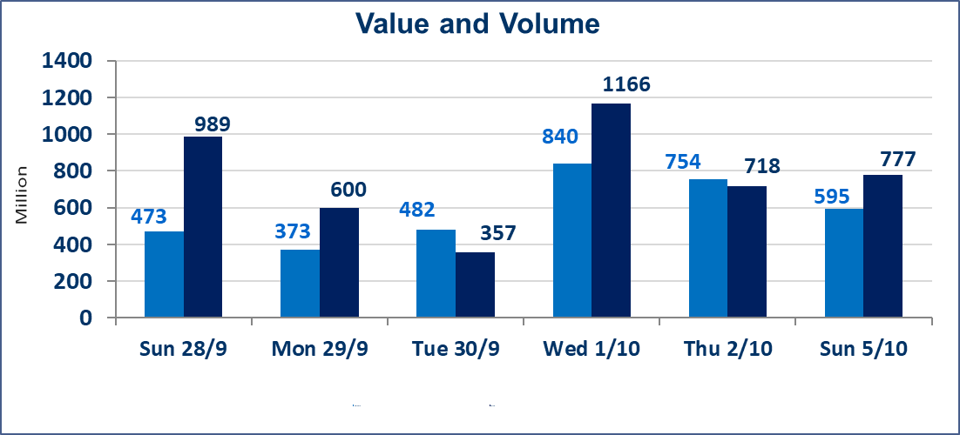
 | ISX Index 60 |  |  | 960.37 | ISX Index 15 |  |  | 1128.13
 | Previous ISX Index60 |  |  | 961.81 | Previous ISX Index15 |  |  | 1131.26
 | Change % |  |  | -0.15 | Change % |  |  | -0.28
 | Change |  |  | -1.44 | Change |  |  | -3.13

 | Listed Companies | 104 | OTC | 11 | Non Traded listed | 44 | OTC | 9
 | Traded Listed Companies | 42 | OTC | 1 | Higher Companies |  |  | 15
 | GAM Companies |  |  | 8 | Lower Companies |  |  | 11
 | Suspended Companies |  |  | 10
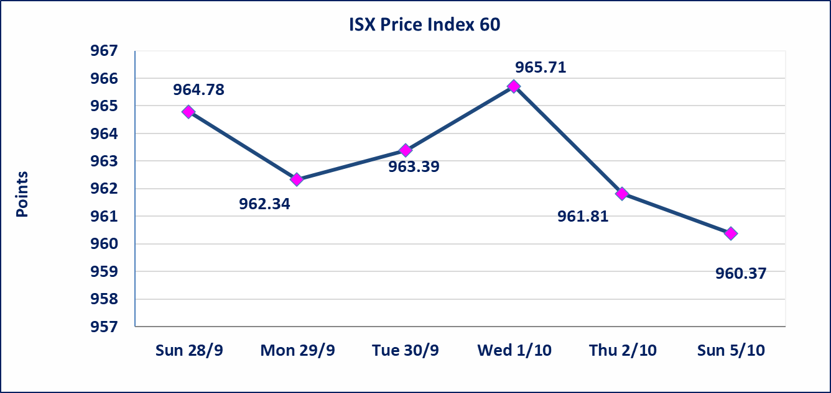
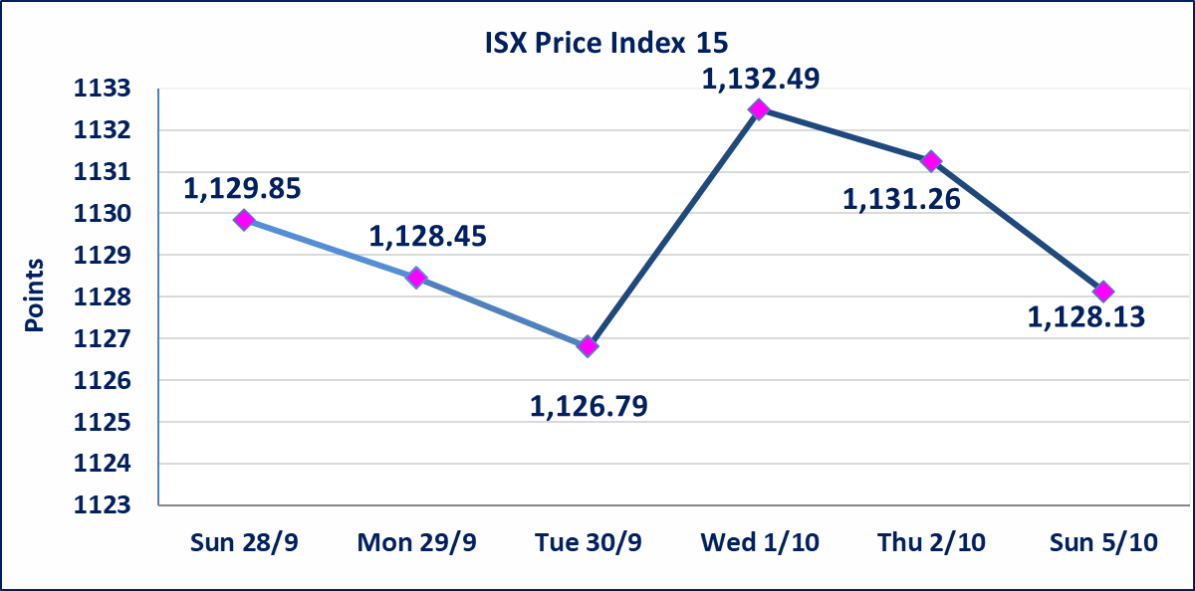

Al-Alwiya P.O . 3607 Mobile: 07711211522 - 07270094594 - 07834000034 E-mail: info-isx@isx-iq.net Web site:www.isx-iq.net

Top 5
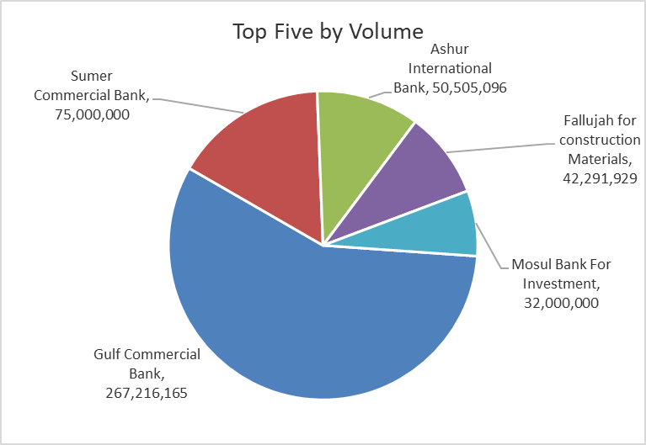
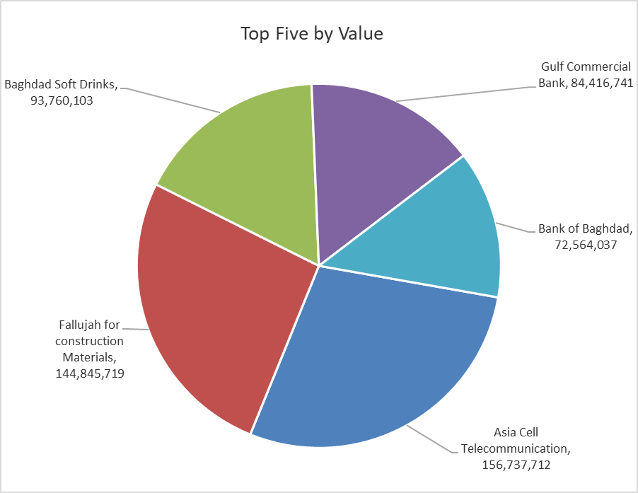
ISX top ganing and losing companies
Sunday 5/10/2025
Gainers |  |  |  | Losers
Company Name | Closing Price | Change (%) | Traded Volume | Company Name | Closing Price | Change (%) | Traded Volume
Al-Mashreq Al-Arabi Islamic Bank | 0.850 | 19.72 | 100,000 | Credit Bank Of Iraq | 0.090 | -10.00 | 833,767
Fallujah for construction Materials | 3.570 | 10.53 | 42,291,929 | Gulf Commercial Bank | 0.310 | -3.12 | 267,216,165
Mansour Hotel | 38.500 | 6.94 | 178,100 | Baghdad -Iraq Transportation | 32.000 | -1.54 | 95,000
Al-Sadeer Hotel | 26.100 | 6.10 | 703,506 | Iraqi for Seed Production | 5.750 | -1.37 | 3,608,486
Palestine Hotel | 30.980 | 4.98 | 1,216,580 | Al-Ameen for Insurance | 1.080 | -0.92 | 61,000

The most active companies in term of traded volume and value

Traded Volume |  |  |  | Traded Value
Company Name | Closing Price | Change (%) | Traded Volume | Company Name | Closing Price | Change (%) | Traded Value
Gulf Commercial Bank | 0.310 | -3.12 | 267,216,165 | Asia Cell Telecommunication | 12.050 | -0.41 | 156,737,712
Sumer Commercial Bank | 0.080 | 0.00 | 75,000,000 | Fallujah for construction Materials | 3.570 | 10.53 | 144,845,719
Ashur International Bank | 0.250 | 0.00 | 50,505,096 | Baghdad Soft Drinks | 4.650 | -0.64 | 93,760,103
Fallujah for construction Materials | 3.570 | 10.53 | 42,291,929 | Gulf Commercial Bank | 0.310 | -3.12 | 84,416,741
Mosul Bank For Investment | 0.160 | 0.00 | 32,000,000 | Bank of Baghdad | 3.600 | -0.55 | 72,564,037

Non Iraqis

Iraq Stock Exchange
Non Iraqis' Bulletin Sunday OCT 5 2025
Regular Market

Non Iraqi Trading of Regular Market (Buy)
Company Names | Code | No.of trades | Traded Shares | Trading Volume
Hotel Sector
Mansour Hotel | HMAN | 1 | 3,875 | 141,438
Total Hotel Sector |  | 1 | 3,875 | 141,438
Grand Total |  | 1 | 3875 | 141438

Non Iraqi Trading of Regular Market (Sell)
Company Names | Code | No.of trades | Traded Shares | Trading Volume
Banks Sector
Bank Of Baghdad | BBOB | 1 | 500,000 | 1,810,000
Total Bank sector |  | 1 | 500,000 | 1,810,000
Grand Total |  | 1 | 500000 | 1810000

Non Iraqi Trading of Second Market (Sell)
Company Names | Code | No.of trades | Traded Shares | Trading Volume
Industry sector
Fallujah for Construction Materials | IFCM | 27 | 4,880,000 | 16,632,000
Total Industry sector |  | 27 | 4,880,000 | 16,632,000
Grand Total |  | 27 | 4880000 | 16632000

